Sheet1
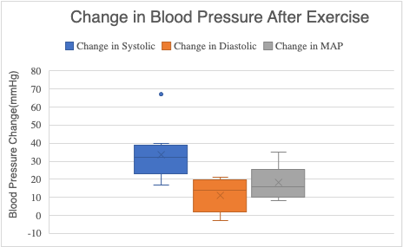

 |  |  |  |  |  |  |  | MAP = DP + [(SP – DP)/3]
 |  |  |  |  |  |  |  |  |  |  |  |  | Men Avg of Change | Women Avg of Change
 |  |  |  |  |  |  |  |  |  |  |  |  | 11.88888889 | 21.77777778
 |  |  |  | =D14+(1/3)(C14-D14)

 |  | Initial |  |  | After Exercise
Subject | Sex | Systolic | Diastolic | MAP | Systolic | Diastolic | MAP | Change in Systolic | Change in Diastolic | Change in MAP | % MAP Increase | sample mean | st dev | conf interval
1 - Sanil | M | 126 | 75 | 92 | 164 | 72 | 102.6666667 | 38 | -3 | 10.66666667 | 11.594202902 | 11.888888891 | 3.3388842684 | 3.7782338058
2 - Zach | M | 112 | 65 | 80.66666667 | 131 | 79 | 96.33333333 | 19 | 14 | 15.66666667 | 19.421487607 | Men | low: | 8.1106550852
3 - Marko | M | 119 | 58 | 78.33333333 | 147 | 58 | 87.66666667 | 28 | 0 | 9.333333333 | 11.914893617 |  | high: | 15.667122697
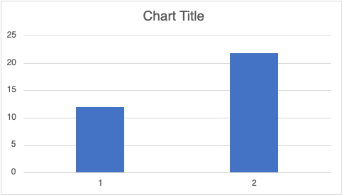
4 - Nisha | F | 108 | 66 | 80 | 135 | 86 | 102.3333333 | 27 | 20 | 22.33333333 | 27.916666662 | 21.777777775 | 8.6080639771 | 6.8877591431
5 - Kiera | F | 98 | 69 | 78.66666667 | 131 | 74 | 93 | 33 | 5 | 14.33333333 | 18.220338978 | Women | low: | 14.890018632
6 - Betsy | F | 114 | 76 | 88.66666667 | 181 | 95 | 123.6666667 | 67 | 19 | 35 | 39.473684209 |  | high: | 28.665536919
7 - Alora | F | 116 | 66 | 82.66666667 | 148 | 85 | 106 | 32 | 19 | 23.33333333 | 28.225806446 | ttest comparing
8 - Madison | F | 95 | 46 | 62.33333333 | 112 | 50 | 70.66666667 | 17 | 4 | 8.333333333 | 13.368983957 | % increase for
9 - Leyla | F | 115 | 65 | 81.66666667 | 155 | 86 | 109 | 40 | 21 | 27.33333333 | 33.46938775 | men and women
 |  |  |  |  |  |  |  |  |  |  |  | 0.075740216445

 | 0.00232838 |  | 0.012648577
 | 2.17E-07 |  | 0.001199206

Mean Change in Arterial Blood Pressure in Men and Women

 |  |  |  |  |  |  | Men | Women
 |  |  |  |  |  | Initial | 83.666666667 | 79.000000002
 |  |  |  |  |  | Final | 95.555555567 | 100.77777778

